SkyAsia-PagesMindMap
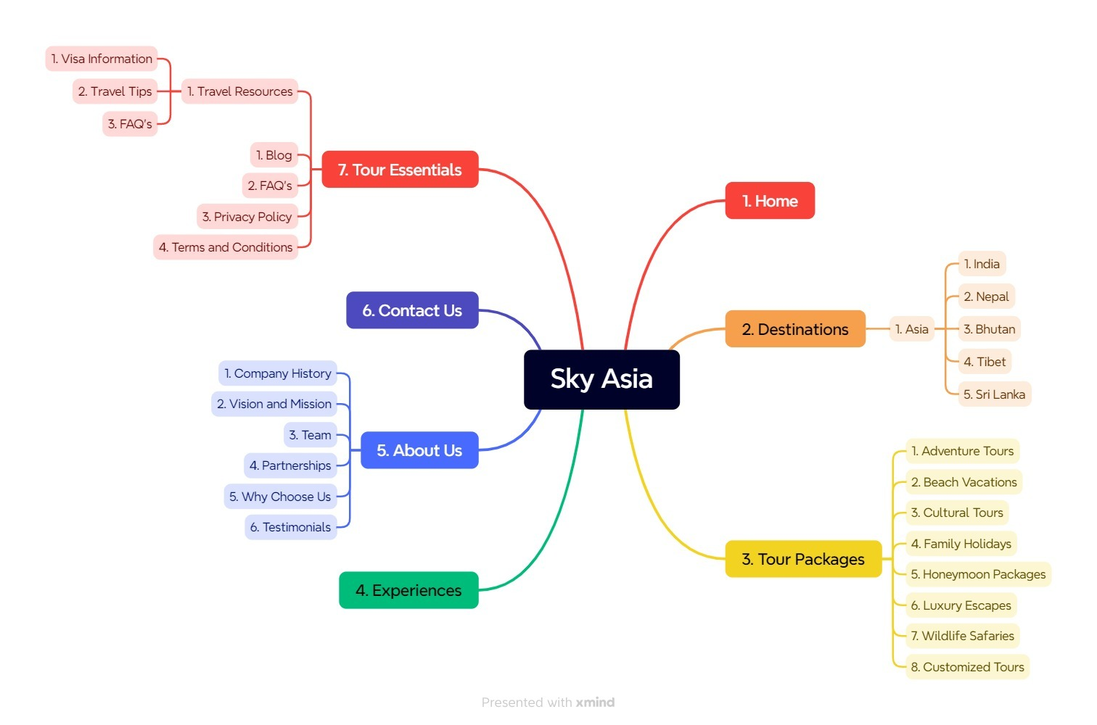
Sky Asia - All Pages Listings - MindMap - through Xmind

SkyAsia-PagesTreeStructure
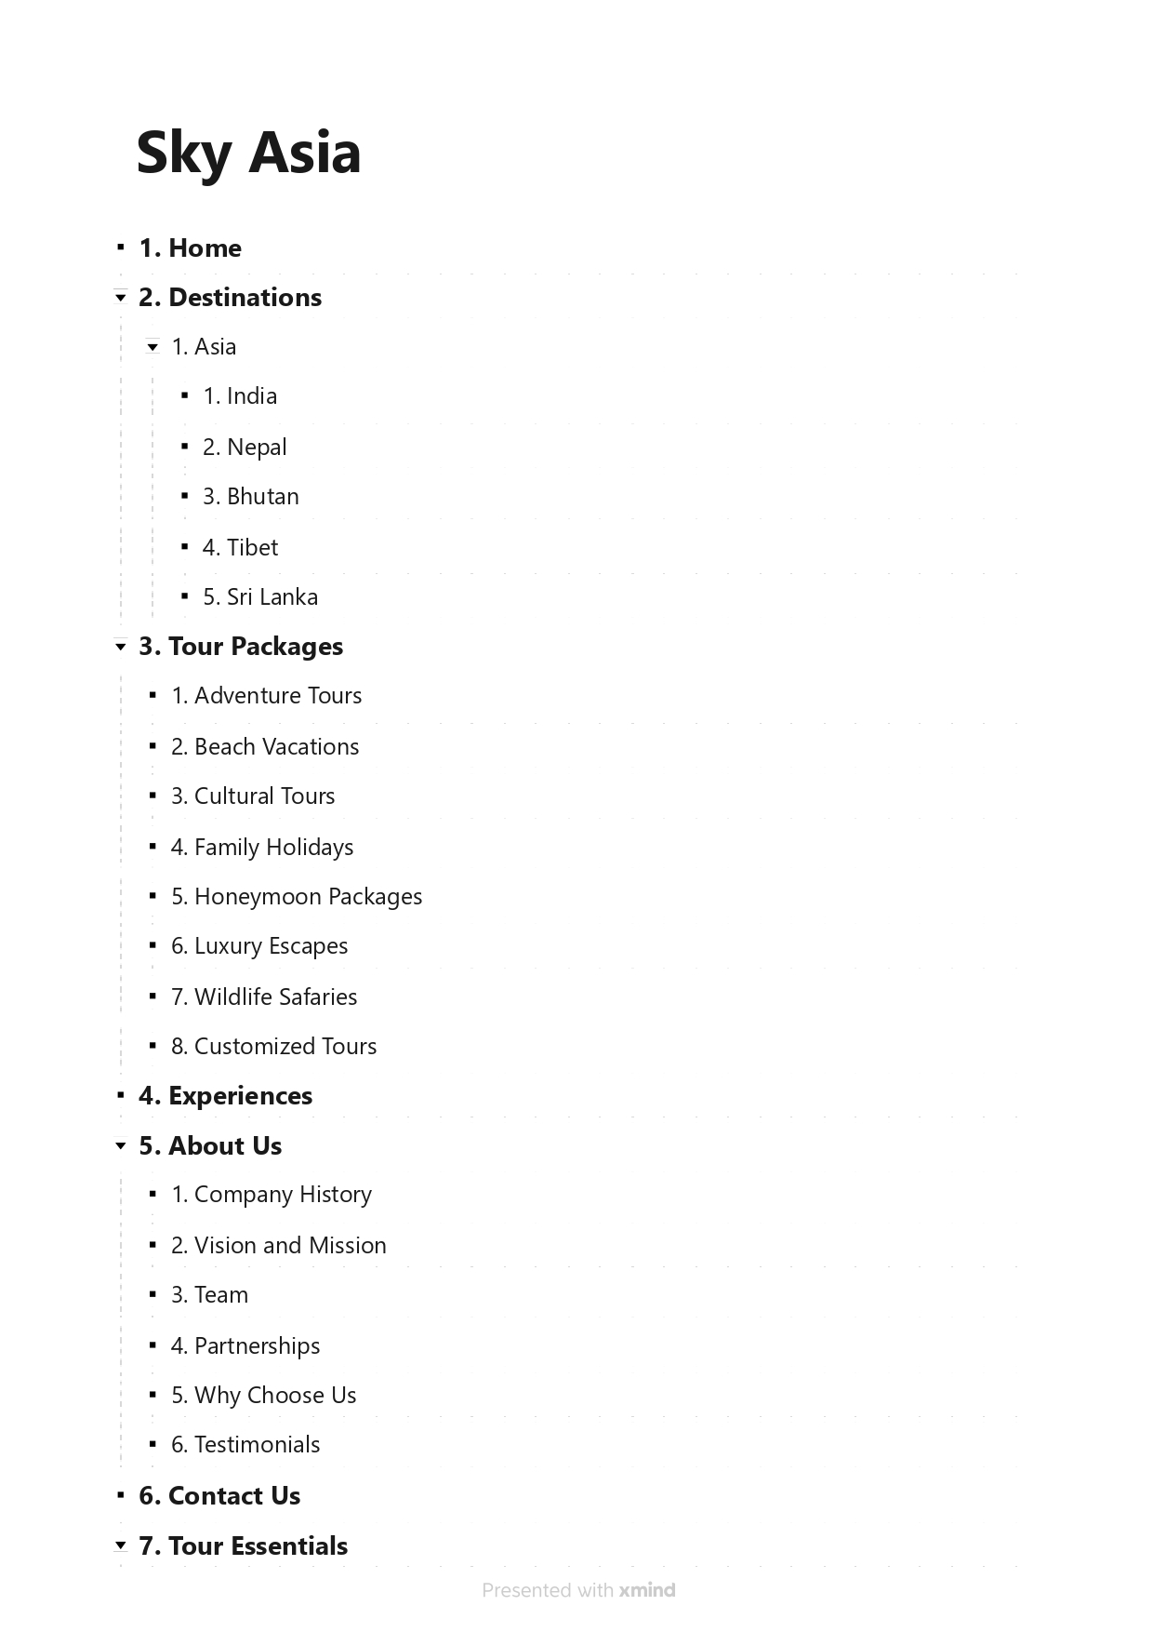
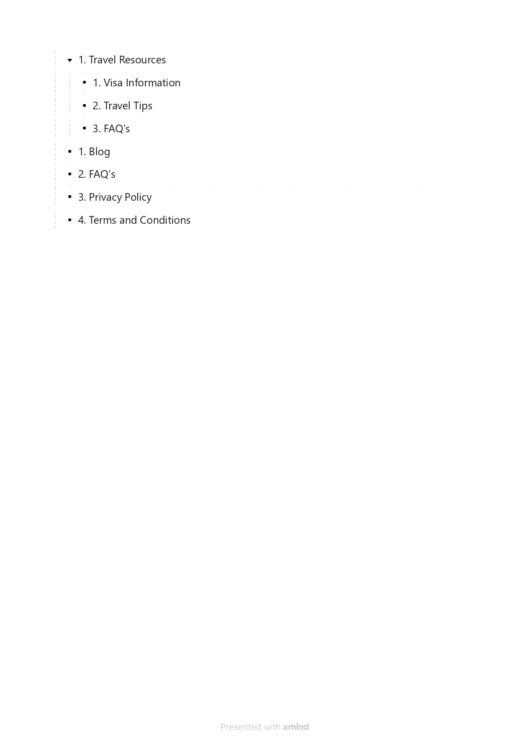
Sky Asia - All Pages Listings - Tree Structure - through Xmind

